Sheet1
ID | Group | Category | Epic | Parent Task | Task Name | User Story | Description | Acceptance Criteria | Timestamp | Mockups | Notes | Responsible
CUBE-PH4-D3-001 | Toilets | Functional Logic | Core Flow | Pricing Warnings | Display Winterization Fee Reminder | As an Account Manager (AM), I want the pricing tool to display a winterization fee reminder when zip code metadata indicates that winterization applies, so that I can identify the additional fee before continuing with pricing. | Winterization fee reminders are driven by zip code metadata and apply to toilet services during applicable winterization months. The reminder should appear at the pricing tool level, and the same logic may also be relevant for the customer wizard when pricing is handled there. | 1. System reads winterization metadata from the zip code, 2. System displays a winterization fee reminder when winterization applies, 3. Reminder applies to toilet services, 4. Reminder appears before the user continues with pricing, 5. Reminder indicates that a winterization fee may apply, 6. Winterization logic can be reused by the pricing tool and future customer wizard pricing flow. | Day 3, Part 1 [0:07:13 – 0:08:05] | NO MOCKUPS | This should be available in the Hub pricing tool and carried into the CUBE pricing tool. It may also apply to the customer wizard later if pricing is handled there. | TBD
CUBE-PH4-D3-002 | Core Platform | Functional Logic | Core Flow | Site-Level Warnings | Display Site-Level Pricing Warnings | As an Account Manager (AM), I want the pricing tool to display site-level warnings for uninsured New York City areas and possible roll-off franchise restrictions, so that I do not promise unsupported service or rates to the customer. | Site-level pricing warnings are driven by zip code metadata and should alert users when service may be restricted or unavailable. These warnings include uninsured New York City areas and possible franchise restrictions for roll-offs. | 1. System reads site-level warning metadata from the zip code, 2. System displays a warning when the site is in an uninsured New York City area, 3. System displays a warning when the site may have roll-off franchise restrictions, 4. Warning appears before the user continues with pricing, 5. Warning helps prevent users from promising unsupported service or rates. | Day 3, Part 1 [0:08:05 – 0:09:25] | NO MOCKUPS | These warnings should be available at the pricing tool level and may also be relevant for the customer wizard if pricing is handled there. The roll-off franchise warning is especially important because users should not promise rates when franchise restrictions may apply. | TBD
CUBE-PH4-D3-003 | Toilets | Automation | Core Flow | Recurring Ticket Creation | Automatically Create Recurring Toilet Service Tickets | As the system, I want to automatically create recurring toilet service tickets based on the parent product record and cycle information, so that recurring toilet services do not have to be created manually. | Recurring toilet service tickets are created automatically through a scheduled backend process. The process uses the parent toilet record, cycle dates, product type, and recurring service setup to determine when a new ticket should be created. | 1. System evaluates toilet parent records during the recurring ticket creation process, 2. System identifies whether the toilet product can have a recurring standard service ticket, 3. System uses cycle information to determine whether a new ticket is needed, 4. System copies relevant values from the parent toilet record into the new ticket, 5. System creates the recurring ticket only when the required recurring conditions are met. | Day 3, Part 1 [0:09:52 – 0:12:45] | NO MOCKUPS | This is the high-level automation story for recurring toilet ticket creation. Keep the detailed validation rules in the next story so this one does not become too broad. | TBD
CUBE-PH4-D3-004 | Toilets | Workflow Validation | Core Flow | Recurring Ticket Criteria | Validate Toilet Recurring Ticket Creation Criteria | As the system, I want to automatically create recurring toilet service tickets based on the parent toilet record and next cycle information, so that recurring toilet services do not have to be created manually. | Recurring toilet service tickets are created through a scheduled table-to-table import process named “Create Next Cycle.” The process copies eligible toilet records and creates the next service ticket when the recurring service conditions are met. | 1. System evaluates toilet records during the recurring ticket creation process, 2. System uses the Create Next Cycle import to create eligible recurring tickets, 3. System identifies whether the toilet product requires a standard service ticket, 4. System uses next cycle information to determine whether a new ticket should be created, 5. System copies mapped toilet record values into the new ticket. | Day 3, Part 1 [0:10:35 – 0:13:20] | 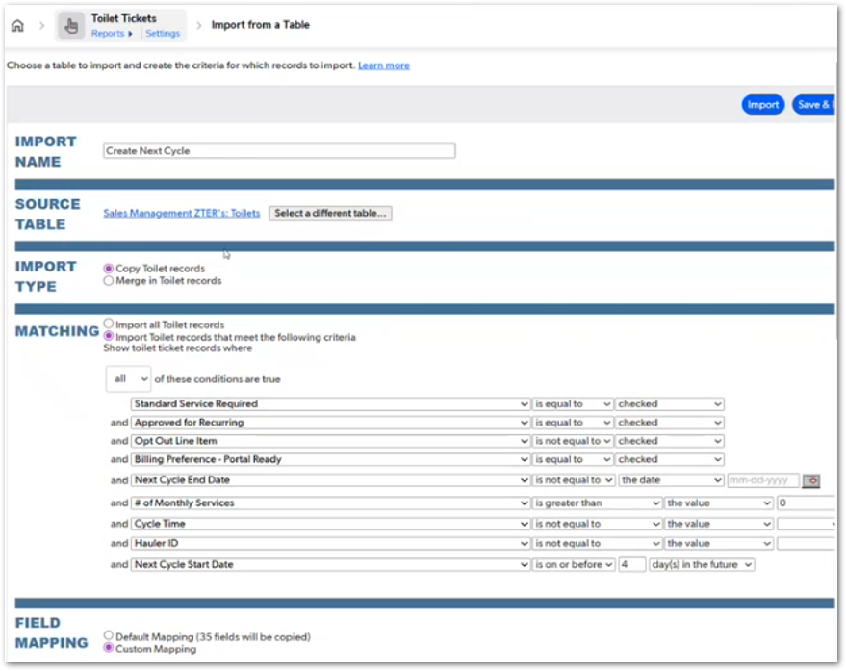 | The screenshot shows the QuickBase import configuration for Toilet Tickets using the import name “Create Next Cycle.” This story should stay focused on the automation that creates the next recurring ticket; the detailed import conditions can be covered in the following validation story. | TBD
CUBE-PH4-D3-005 | Toilets | Automation | Core Flow | Recurring Line Item Creation | Automatically Create Line Items for Recurring Toilet Tickets | As the system, I want to automatically create line items for recurring toilet tickets, so that each generated recurring ticket has the required billable line item. | Recurring toilet line items are created automatically after recurring toilet tickets are generated. The process follows similar condition-based logic to make sure the required billing line item is created for the service ticket. | 1. System evaluates generated recurring toilet tickets for line item creation, 2. System applies the required recurring conditions before creating the line item, 3. System creates a line item for each eligible recurring toilet ticket, 4. System copies the required ticket and billing values into the line item, 5. System makes the generated line item available for downstream billing. | Day 3, Part 1 [0:13:20 – 0:14:34] | NO MOCKUPS | This story should stay separate from recurring ticket creation because the ticket and the line item are created through related but separate automation steps. The line item is the billable record that supports the Hub billing process after the recurring ticket is created. | TBD
CUBE-PH4-D3-006 | Core Platform | Integration | Core Flow | Cron Coordination | Coordinate QuickBase and Hub Recurring Cron Timing | As an Account Manager (AM), I want recurring tickets and line items to be generated before the Hub billing cron runs, so that recurring charges are available for same-night billing. | Iitems were getting ready around 3:30 AM while the Hub cron used to run at 2:00 AM, which caused line items to be skipped until the next day; the Hub cron timing was changed to 4:00 AM. Recurring ticket and line item generation must finish before the Hub recurring billing process runs. The timing matters because Hub can only bill the line items that already exist when its cron job executes. | 1. QuickBase recurring ticket and line item generation completes before the Hub recurring billing cron runs, 2. Hub recurring billing runs only after generated line items are available, 3. Same-night billing is supported when recurring line items are created before the Hub process starts, 4. Recurring line items are not skipped because of cron timing, 5. Cron timing supports accurate recurring invoice totals and reconciliation. | Day 3, Part 1 [0:14:08 – 0:15:50] | 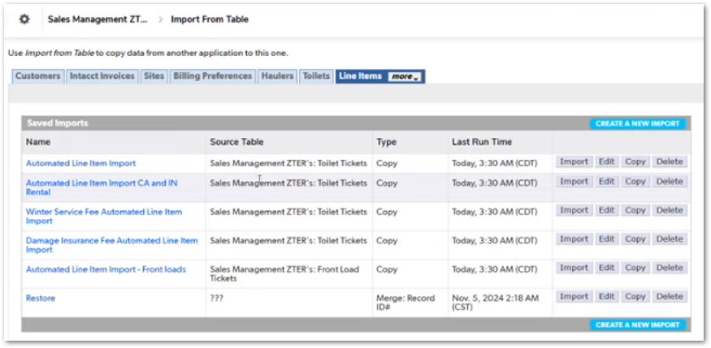 | The recurring line item imports shown in QuickBase run around 3:30 AM. Hub billing was moved later so generated line items are available before the billing process starts. This prevents recurring items from being skipped until the next day. | TBD
CUBE-PH4-D3-007 | Front Loads | Automation | Core Flow | Recurring Ticket Creation | Automatically Create Monthly Front Load Tickets and Line Items | As an Account Manager (AM), I want monthly front load tickets and line items to be created automatically, so that front load services can be prepared for monthly billing without manual ticket and line item creation. | Front load tickets and line items are created through the same recurring automation approach used for toilets. Front loads follow a monthly billing cadence and are normally processed on a specific day of the month. | 1. System runs the front load recurring process on the scheduled monthly day, 2. System creates eligible front load tickets automatically, 3. System creates related line items for eligible front load tickets, 4. System applies condition-based logic before creating front load line items, 5. Generated front load line items are available for the monthly billing process. | Day 3, Part 1 [0:16:10 – 0:17:05] |  | The QuickBase import list includes “Automated Line Item Import - Front loads.” Front loads follow the same general recurring creation pattern as toilets, but they are handled on a monthly billing schedule instead of the toilet cycle pattern. | TBD
CUBE-PH4-D3-008 | Core Platform | Data Integrity | Core Flow | Historical Records | Prevent Recurring Creation for Archived Historical Tickets | As an Account Manager (AM), I want archived or historical records to be excluded from recurring creation processes, so that old tickets or removed child records do not generate new tickets or line items incorrectly. | Recurring creation logic must exclude archived historical records and records where child tickets or line items were removed. This prevents old records from being picked up again by automated imports and avoids creating new tickets, line items, or billing activity for records that should no longer be processed. | 1. System excludes archived historical records from recurring creation processes, 2. System does not recreate tickets or line items for records with removed children, 3. Automated imports use date-based criteria to avoid processing old records, 4. Automated imports check the children removed indicator before creating new records, 5. Recurring creation logic does not trigger billing or invoicing activity for excluded historical records. | Day 3, Part 1 [0:17:05 – 0:19:15] | 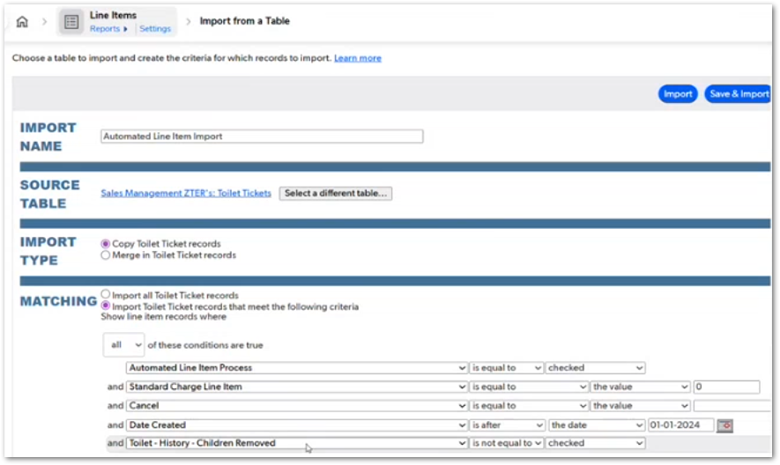 | The automated line item import includes criteria such as Date Created after 01-01-2024 and Toilet - History - Children Removed not checked. This story should stay focused on the import guardrails that prevent archived or cauterized records from being processed again. | TBD
CUBE-PH4-D3-009 | Toilets | Functional Logic | Core Flow | Winterization Line Items | Create Winterization Line Items Only During Applicable Winter Months | As an Account Manager (AM), I want winterization line items to be created only when winterization applies, so that toilet services include the correct winterization fee during applicable winter months. | Winterization is handled as a separate $9 line item for toilet services. The line item is created only when the winterization conditions are met for the applicable cycle and location. | 1. System evaluates whether the toilet service cycle is eligible for winterization, 2. System creates the winterization line item only when winterization applies, 3. Winterization line item uses the $9 winter service fee, 4. System does not create a winterization line item when winterization is not applicable, 5. Winterization line item logic follows the same winterization conditions used by the pricing reminder. | Day 3, Part 1 [0:19:15 – 0:20:05] |  | QuickBase includes a saved import named “Winter Service Fee Automated Line Item Import.” This should stay separate from the pricing reminder story because this item represents the actual billable winterization charge, not just the warning shown during pricing. | TBD
CUBE-PH4-D3-010 | Toilets | Functional Logic | Core Flow | Damage Insurance Line Items | Create Damage Insurance Line Items Only When Accepted | As an Account Manager (AM), I want damage insurance line items to be created only when the customer accepts damage insurance, so that toilet services include the insurance fee only when it was selected. | Damage insurance is handled as a separate $9 line item for toilet services. The line item is created only when damage insurance has been accepted by the customer. | 1. System checks whether damage insurance was accepted, 2. System creates the damage insurance line item only when insurance was accepted, 3. Damage insurance line item uses the $9 insurance fee, 4. System does not create a damage insurance line item when insurance was not accepted, 5. Damage insurance logic applies before adding the insurance line item. | Day 3, Part 1 [0:20:05 – 0:20:45] |  | QuickBase includes a saved import named “Damage Insurance Fee Automated Line Item Import.” This should stay separate from winterization because insurance is customer-selected, while winterization is condition-based. | TBD
CUBE-PH4-D3-011 | Toilets | Taxation | Core Flow | California and Indiana Taxability | Split Toilet Rental and Service Line Items for California and Indiana | As an Account Manager (AM), I want toilet rental and service charges to be split into separate line items for California and Indiana, so that rental and service can be taxed correctly based on state requirements. | California and Indiana require special handling because toilet rental and service have different taxability rules in those states. For these locations, the regular toilet charge must be split into separate service and rental line items with the appropriate tax treatment. | 1. System identifies when the toilet service is located in California or Indiana, 2. System creates the standard service line item for the toilet ticket, 3. System creates one additional rental line item when state-specific tax handling applies, 4. Service and rental line items use their corresponding taxability treatment, 5. System prevents duplicate additional rental line items for the same ticket. | Day 3, Part 1 [0:20:45 – 0:23:25] | NO MOCKUPS | California and Indiana are exceptions to the normal toilet line item structure because rental and service are taxed differently. This story should stay separate from the standard toilet line item story because it exists specifically to handle state-based tax requirements. | TBD
CUBE-PH4-D3-012 | Core Platform | Automation | Core Flow | Recurring Automation Scope | Extend Recurring Automation to Applicable Product Lines | As an Account Manager (AM), I want recurring ticket and line item automation to support applicable product lines, so that recurring services can be created consistently without designing each product line as a separate manual process. | Recurring automation can be designed to support product lines that follow recurring service or billing cycles, such as containers, storage containers, fencing, front loads, and permanent roll-offs. Product-specific billing rules still need to be respected where special handling is required. | 1. System supports recurring automation for product lines with recurring service or billing cycles, 2. System creates recurring service tickets when the product line and cycle rules allow it, 3. System creates related recurring line items when billing rules allow it, 4. System respects product-specific billing requirements and exceptions, 5. Shared recurring automation logic is reused where the same recurring pattern applies. | Day 3, Part 1 [0:23:25 – 0:26:35] | NO MOCKUPS | This should be treated as an improvement or design direction, not as confirmation that every product line must be fully automated in the same way. Some products may still require special handling because of billing rules, manual review needs, or product-specific operational complexity. | TBD
CUBE-PH4-D3-013 | Core Platform | Data Integrity | Core Flow | Archived Children Handling | Track Removed Children for Archived Tickets and Line Items | As an Account Manager (AM), I want archived records to retain historical ticket and payment totals when child records are removed, so that reporting and status logic can remain accurate without recreating missing tickets or line items. | Archived records can retain summarized historical information after child tickets and line items are removed. The children removed indicator helps formulas and statuses ignore missing child records while keeping key historical totals available for reference. | 1. System stores a children removed indicator for archived records, 2. System retains historical ticket counts when child records are removed, 3. System retains historical customer paid totals when available, 4. System retains historical hauler paid totals when available, 5. System uses the children removed indicator to prevent formulas and statuses from treating missing children as active work. | Day 3, Part 1 [0:26:35 – 0:30:15] |  | The History section includes fields for historical ticket count, customer paid total, hauler paid total, and children removed status. This supports archived-record handling by preserving key reporting values while preventing removed child records from triggering new billing, ticket, or line item activity. | TBD
CUBE-PH4-D3-014 | Core Platform | Notification | Core Flow | Recurring Billing Reminders | Track Recurring Billing Reminder Checks and Sent Status | As an Account Manager (AM), I want recurring billing reminders to track whether a customer notification should be sent and whether it was already sent, so that upcoming billing cycle reminders are not missed or duplicated. | Recurring billing reminders can be used to notify customers before an upcoming billing cycle. The process tracks whether the reminder should be sent, whether it was sent, and when it was sent, so the same notification is not processed repeatedly. | 1. System evaluates whether a recurring billing reminder should be sent, 2. System tracks the reminder check used by the billing reminder process, 3. System records whether the reminder was sent, 4. System records the date or time when the reminder was sent, 5. System prevents the same billing reminder from being sent repeatedly. | Day 3, Part 1 [0:30:55 – 0:33:05] | NO MOCKUPS | This process needs verification before implementation because it was unclear whether the recurring billing reminder process is still active. The fields discussed include the Monday email API check, reminder sent status, and sent timestamp. | TBD
CUBE-PH4-D3-015 | Toilets | UI/UX | Core Flow | Product-Specific Fields | Show Toilet-Specific Fields Only When Relevant | As an Account Manager (AM), I want toilet-specific fields to display only when they are relevant to the selected toilet setup, so that the form shows the correct accessory, setup, and event-related information without unnecessary fields. | Toilet records include unique setup and accessory fields that are not shared by all product lines. These fields support differences between construction recurring toilets and event toilets, as well as toilet-specific options such as holding tanks, event time, hand sanitizer, locking hasp, pump rates, restroom trailers, rigging cages, and water accessibility. | 1. System displays toilet-specific fields only for toilet product records, 2. System shows event-related fields when the toilet setup is for an event, 3. System shows accessory-related rate fields only when the related accessory or setup applies, 4. System supports toilet-specific fields such as holding tank gallons, hand sanitizer rate, locking hasp rate, pump rate, restroom trailer type, rigging cage rate, and water accessibility, 5. System hides toilet-specific fields when they are not relevant to the selected toilet setup. | Day 3, Part 1 [0:33:05 – 0:36:05] | 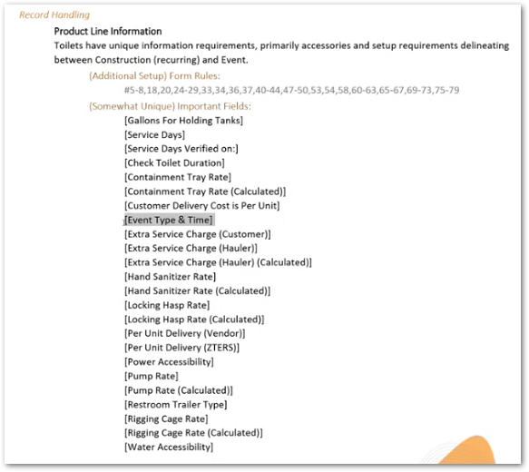 | The screenshot lists toilet-specific setup and accessory fields used for product line handling. This story should focus on form behavior and field visibility, not on billing calculations. The form should avoid showing unnecessary toilet fields unless the selected setup, accessory, or event type requires them. | TBD
CUBE-PH4-D3-016 | Roll-Offs | Approval | Core Flow | New Jersey Approval | Require New Jersey Team Approval for New Jersey Roll-Off Jobs | As a New Jersey Team member, I want roll-off jobs in New Jersey to require approval before the job proceeds, so that ZTERS meets the required approval process for New Jersey waste service operations. | Roll-off jobs located in New Jersey require approval from a member of the New Jersey Team before the job can proceed. This approval is specific to New Jersey roll-off work and must be completed by one of the users assigned to that team. | 1. System identifies when a roll-off job is located in New Jersey, 2. System requires approval from the New Jersey Team before the job proceeds, 3. System prevents the New Jersey roll-off job from continuing without the required approval, 4. Approval records that the job was reviewed by an authorized New Jersey Team member, 5. Requirement applies specifically to roll-off jobs in New Jersey. | Day 3, Part 1 [0:37:25 – 0:41:20] | NO MOCKUPS | This approval is specific to New Jersey roll-off jobs and should not be treated as a general approval for all roll-offs. The New Jersey Team role is valid here because it is directly referenced as the group responsible for this approval. | TBD
CUBE-PH4-D3-017 | Roll-Offs | Functional Logic | Core Flow | Rebates | Capture Roll-Off Rebate Information When Recyclable Debris Applies | As an Account Manager (AM), I want to capture rebate information for roll-off services when recyclable debris applies, so that expected rebates and rebate handling details can be tracked on the related service tickets. | Roll-off rebates apply when the debris type may be recyclable and may generate money back, such as recyclable metal. Rebate information should identify whether a rebate is expected and how the rebate should be handled. | 1. System supports rebate fields for applicable roll-off services, 2. System identifies whether a rebate is expected for the roll-off debris type, 3. System captures how the rebate should be handled, 4. System carries rebate information into the related service ticket, 5. System shows rebate fields only when rebate information is applicable. | Day 3, Part 1 [0:41:20 – 0:42:20] |  | The shared screenshot is useful for roll-off context, but it does not directly show the rebate fields. It shows the Vendor and Rates section, including roll-off rate and disposal details. Keep this story focused on rebate handling for recyclable debris, and use a more specific rebate screenshot later if available. | TBD
CUBE-PH4-D3-018 | Roll-Offs | Notification | Core Flow | Auto Pull Reminder | Notify AM Before Auto Pull Rental Period Ends | As an Account Manager (AM), I want to be notified before a roll-off auto pull occurs, so that I can inform the customer and coordinate an extension when the rental period is extendable. | Roll-off vendors may use automatic pull rules at the end of the rental period. When auto pull is selected, the AM should be notified before the dumpster is pulled so the customer can be informed or an extension can be coordinated when allowed. | 1. System identifies roll-off records with auto pull selected, 2. System sends or displays a reminder before the scheduled auto pull, 3. Reminder notifies the AM that the dumpster will be pulled from the site, 4. Reminder indicates whether the auto pull is extendable or not extendable, 5. Reminder supports coordination with the service provider when the customer requests an extension. | Day 3, Part 1 [0:42:20 – 0:44:20] | NO MOCKUPS | Auto pull is specific to roll-off rentals where the vendor may remove the dumpster at the end of the rental period without a separate customer request. This reminder should help the AM notify the customer before the pull occurs and confirm whether an extension is possible. | TBD
CUBE-PH4-D3-019 | Zsight Monitors | Functional Logic | Core Flow | Product-Specific Fields | Support Zsight Monitor-Specific Fields and Recurring Bill Reminders | As an Account Manager (AM), I want ZSight Monitor records to store monitor, QA, inventory, assignment, and installation information, so that ZSight camera details can be tracked in one place. | ZSight Monitor records store the information needed to identify, verify, assign, and track a monitor. The record includes monitor details such as serial number and ZSight FLID, QA information, inventory dates, storage location, assignment status, deployable status, out-of-service status, prototype status, notes, and installation notes. | 1. System stores ZSight monitor identification fields such as serial number and ZSight FLID, 2. System tracks QA information such as QA status, QA by, and QA date, 3. System tracks inventory information such as inventory received date and storage location, 4. System stores monitor status fields such as assigned, deployable, out of service, and prototype, 5. System stores general notes and installation notes for the ZSight Monitor record. | Day 3, Part 1 [0:47:45 – 0:48:45] | 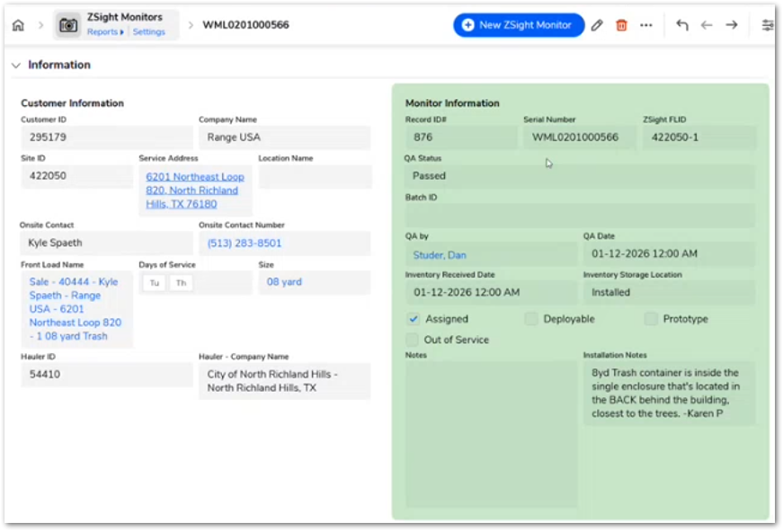 | The screenshot shows the ZSight Monitor record used to track camera details, QA status, inventory information, assignment status, and installation notes. This should be treated as a ZSight Monitor data management story, not as a Front Load or Container story. | TBD
CUBE-PH4-D3-020 | Fencing | Functional Logic | Core Flow | Product-Specific Fields | Support Fencing-Specific Rates and Accessories | As an Account Manager (AM), I want fencing records to support fencing-specific rates, accessories, and billing cycle fields, so that fencing services can capture the required product-specific pricing and setup details. | Fencing products require additional product-specific information, including extra rates, accessories, secondary billing rates, and billing cycles. These fields support fencing setup and pricing details, even though the product-level process follows the same general pattern as other products. | 1. System supports fencing-specific rate fields, 2. System supports fencing accessory fields, 3. System captures secondary billing rate information, 4. System captures fencing billing cycle information, 5. System keeps fencing-specific fields separate from unrelated product-line fields. | Day 3, Part 1 [0:48:45 – 0:50:00] | NO MOCKUPS | This should stay focused on fencing-specific fields and setup data. Fencing does not appear to have a unique product-level process in this section; the main difference is the number of extra rates, accessories, and billing cycle fields. Any primary vs. secondary cycle behavior should be handled in a separate ticket-level story if needed. | TBD
CUBE-PH4-D3-021 | Front Loads | Integration | Core Flow | ZSight Cameras | Relate ZSight Cameras to Front Load Records | As an Account Manager (AM), I want ZSight Monitor records to be related to Front Load records, so that monitor details, installation information, and related photos can be tracked for monitored front load services. | ZSight Monitor records are related to front load services and can be used to track camera/monitor information, installation details, installer information, installation status, install dates, access code, notes, and photos. The monitor information is connected through the existing fulfillment ticket and hauler quote structure used for installation work. | 1. System relates ZSight Monitor records to the applicable Front Load record, 2. System displays ZSight monitor details such as monitor ID, FLID, and installation status, 3. System captures installer and installation information, 4. System stores projected and actual install dates where available, 5. System supports ZSight installation notes and related installation photos. | Day 3, Part 1 [0:50:00 – 0:52:30] | 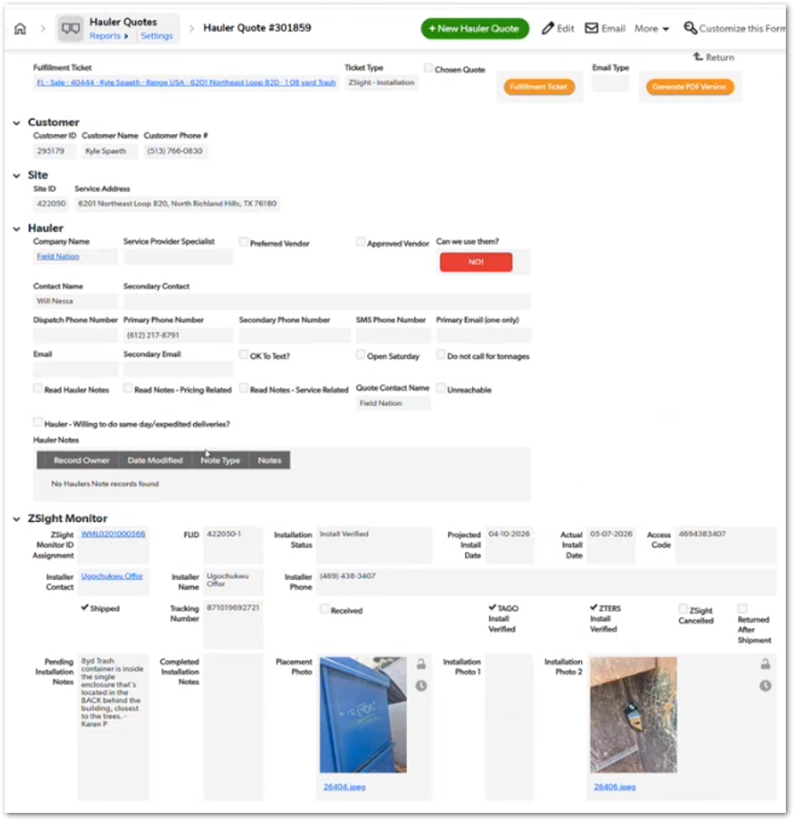 | Use ZSight as the product name. The screenshot shows the ZSight Monitor section inside a Hauler Quote used for ZSight installation work. The bottom section includes placement/installation photos, so this story should mention photo tracking if the user story is intended to cover the installation record, not only the front load relationship. | TBD
CUBE-PH4-D3-022 | Front Loads | UI/UX | Core Flow | ZSight Removal Warning | Display ZSight Camera Warning Before Front Load Removal | As an Account Manager (AM), I want the system to warn me when a Front Load has a ZSight camera installed, so that the camera can be removed before a container removal is scheduled. | Front Load records with an installed ZSight camera should display a clear warning before a container removal is scheduled. The warning helps ensure the camera is removed first and prevents the container from being removed while the monitor is still installed. | 1. System identifies when a Front Load record has an installed ZSight camera, 2. System displays a visible warning on the Front Load record, 3. Warning tells the user that the ZSight camera must be removed before container removal is scheduled, 4. Warning appears before the user proceeds with container removal, 5. Warning is not displayed when no ZSight camera is installed. | Day 3, Part 1 [0:52:30 – 0:54:10] |  | Use ZSight as the product name. The screenshot shows the exact warning banner displayed on the Front Load record. This story should focus on the warning shown before removal, not on ZSight monitor inventory or installation tracking. | TBD
CUBE-PH4-D3-023 | Front Loads | Functional Logic | Core Flow | ZSight Installation Records | Use Fulfillment Ticket and Hauler Quote Structure for ZSight Installation Records | As an Account Manager (AM), I want ZSight installation records to use the existing fulfillment ticket and hauler quote structure, so that installer details, installation status, verification fields, notes, and photos can be tracked through the established workflow. | ZSight installation and maintenance records reuse the existing fulfillment ticket and hauler quote workflow. The hauler quote is used to identify the installer and capture ZSight-specific installation information, including installation status, installer contact details, verification fields, notes, and related photos. | 1. System supports ZSight installation or maintenance records through the existing fulfillment ticket structure, 2. System uses the hauler quote to identify the installer or installation vendor, 3. System captures ZSight installation status and installer contact details, 4. System stores ZSight-specific notes and verification fields, 5. System supports related ZSight installation photos where available. | Day 3, Part 1 [0:52:30 – 0:56:30] | NO MOCKUPS | Use ZSight as the product name. This story should be supported with the Hauler Quote screenshot that includes the ZSight Monitor section, not only the Front Load service information screenshot. The current Front Load screenshot helps with general Front Load context, but it does not show the full ZSight installation workflow. | TBD
CUBE-PH4-D3-024 | Front Loads | Data Management | Core Flow | ZSight Inventory | Track ZSight Camera Inventory Owned by ZTERS | As an Account Manager (AM), I want ZTERS-owned ZSight cameras to be tracked as inventory records, so that serial numbers, QA status, storage location, assignment, deployment, and installation notes can be maintained. | ZSight cameras are owned by ZTERS and tracked as inventory records. Each camera record should store identification, QA, inventory, assignment, deployment, and installation information so the team can manage camera availability and usage. | 1. System stores each ZSight camera as an inventory record, 2. System captures the camera serial number, 3. System captures QA status and QA details, 4. System captures inventory received date and storage location, 5. System tracks assignment, deployment, and installation notes. | Day 3, Part 1 [0:56:54 – 1:00:20] | NO MOCKUPS | Use ZSight as the product name. This story should focus on the camera inventory record, not the installation workflow. The inventory record is used to track the physical camera owned by ZTERS, including whether it has been QA’d, where it is stored, whether it is assigned or deployable, and any installation notes. | TBD
CUBE-PH4-D3-025 | Front Loads | Approval | Core Flow | Front Load Removal Approval | Require Approval Before Front Load Removal Ticket Creation | As an Account Manager (AM), I want front load removals to require a removal request and approval before a removal ticket can be created, so that permanent services are not removed by mistake. | Front Loads are permanent services and are not expected to be removed frequently. Before a removal ticket can be created, the record should require a removal request, a removal reason, and the required approval. | 1. System displays a removal request option for Front Load records, 2. System requires a removal request before the removal workflow can proceed, 3. System requires a removal reason before approval, 4. System requires approval before a removal ticket can be created, 5. System prevents Front Load removal ticket creation until the required approval is complete. | Day 3, Part 1 [1:03:25 – 1:04:15] | 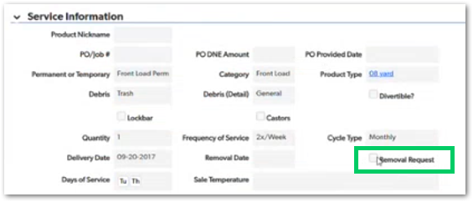 | The screenshot shows the Removal Request checkbox in the Front Load service information section. This story should focus on the approval gate for Front Load removal, especially because these services are considered permanent and should not be removed accidentally. | TBD
CUBE-PH4-D3-026 | Front Loads | Reporting | Core Flow | New Service Classification | Identify Actual New Front Load Services Versus New Records for Existing Services | As an Account Manager (AM), I want to distinguish actual new Front Load services from new records created for existing services, so that reporting can accurately separate new service setup from hauler migration records. | Front Load records may be created either for an actual new service or because an existing service was moved to a different hauler. The system should identify this difference so reporting does not count hauler migration records as new services. | 1. System captures whether a Front Load record represents an actual new service, 2. System distinguishes actual new service setup from records created for existing services, 3. System supports reporting based on the new service classification, 4. System preserves historical separation when a service moves to a different hauler, 5. System prevents hauler migration records from being counted as actual new services. | Day 3, Part 1 [1:04:15 – 1:05:35] | NO MOCKUPS | This story is mainly for reporting accuracy. Front Load records can be recreated when the service changes haulers, but those records should not always count as new services. The classification helps keep service growth and migration reporting clean. | TBD
CUBE-PH4-D3-027 | Grease Traps | Functional Logic | Core Flow | Expected Service Date | Calculate Grease Trap Next Expected Service Date from Frequency | As an Account Manager (AM), I want grease trap records to calculate the next expected service date from the service frequency, so that upcoming grease trap services can be tracked without treating them as fixed rental cycles. | Grease traps use a frequency of service to estimate when the next service should occur. For example, a 90-day frequency can be used to calculate the next expected service date, but the actual service may still depend on customer follow-up and whether the grease trap is ready to be serviced. | 1. System stores the grease trap frequency of service, 2. System calculates the next expected service date using the last service date and frequency, 3. System treats the calculated date as an expected service date rather than a fixed rental cycle end date, 4. System supports reporting for upcoming expected grease trap services, 5. System allows the actual service date to differ from the expected service date. | Day 3, Part 1 [1:06:20 – 1:12:20] | 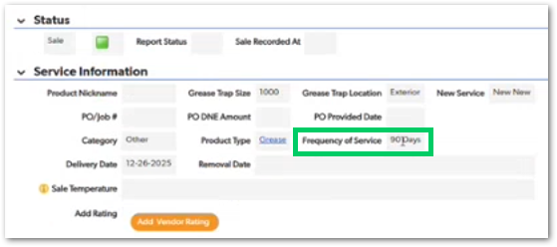 | The screenshot shows the Grease Trap service information section with Frequency of Service = 90 Days. This story should focus on expected scheduling logic, not on creating a strict recurring rental cycle. Grease trap service timing is more flexible because the service may happen later depending on customer confirmation and actual need. | TBD
CUBE-PH4-D3-028 | Grease Traps | Functional Logic | Core Flow | Grease Trap Service Tickets | Use Grease Trap Service Date as the Actual Service Date | As an Account Manager (AM), I want grease trap service tickets to use a service date for the actual service, so that the ticket reflects when the grease trap service is scheduled or performed instead of treating it as a rental cycle. | Grease trap service tickets use a service date to represent when the actual service is expected or performed. The date should not be treated as the start of a rental cycle. Grease trap scheduling uses the service date for the current service and a separate expected date for the next service. | 1. System displays a service ticket option using the grease trap service date, 2. System treats the service date as the actual scheduled service date, 3. System does not treat grease trap service tickets as a start-to-end rental cycle, 4. System supports a separate next expected service date for future follow-up, 5. Grease trap service ticket reporting uses the service date instead of a rental cycle range. | Day 3, Part 1 [1:10:20 – 1:15:50] |  | The screenshot shows the Grease Trap Create Service Ticket section with a service button tied to a specific date. This story should focus on how grease trap service tickets use the actual service date, while the previous story covers how the next expected service date is calculated from the frequency of service. | TBD
CUBE-PH4-D3-029 | Permanent Roll-Offs | Approval | Core Flow | Permanent Service Removal Approval | Require Removal Approval for Permanent Roll-Offs | As an Account Manager (AM), I want permanent roll-off removals to require a removal request and approval before removal can proceed, so that permanent services are not removed without the required review. | Permanent Roll-Offs follow the same CWS removal control concept discussed for Front Loads. Because these services are intended to be permanent, a removal request and approval should be required before a removal ticket can be created. | 1. System requires a removal request before a Permanent Roll-Off removal can proceed, 2. System requires approval before a removal ticket can be created, 3. System prevents Permanent Roll-Off removal ticket creation until approval is complete, 4. System applies the removal approval workflow to Permanent Roll-Off records, 5. System supports the CWS removal control approach used for permanent services. | Day 3, Part 1 [1:15:50 – 1:16:50] | NO MOCKUPS | This story should stay separate from the Front Load removal approval story because the same approval concept applies to a different product line. Permanent Roll-Off removals should be controlled because removing a permanent service usually means the service is ending or the contract is being lost. | TBD
CUBE-PH4-D3-030 | Permanent Roll-Offs | Functional Logic | Core Flow | Waste Diversion | Track Waste Diversion Separately from Rebates | As an Account Manager (AM), I want Permanent Roll-Offs to track waste diversion separately from rebates, so that landfill diversion and monetary rebate tracking remain distinct. | Waste diversion identifies whether material from a Permanent Roll-Off was diverted from a landfill and sent to a recycling or processing center. This is different from rebate tracking because diverted material may not always generate money back. | 1. System captures whether waste was diverted from a landfill, 2. System keeps waste diversion tracking separate from rebate tracking, 3. System supports recyclable material reporting for Permanent Roll-Offs, 4. System allows diverted material to be tracked even when no rebate applies, 5. System supports rebate tracking separately when recyclable material has monetary value. | Day 3, Part 1 [1:16:50 – 1:18:40] | NO MOCKUPS | Waste diversion should be used to support recycling or landfill-diversion reporting. Rebates should remain separate because some recyclable materials may be diverted without generating money back, while other materials, such as scrap metal, may qualify for a rebate. | TBD
CUBE-PH4-D3-031 | Permanent Roll-Offs | Functional Logic | Core Flow | Vendor Selection | Support Multiple Vendor Roles for Permanent Roll-Offs | As an Account Manager (AM), I want Permanent Roll-Offs to support multiple vendor links, so that different vendors can be assigned for disposal, equipment rental, installation, maintenance, and monitor rental. | Permanent Roll-Offs can require multiple vendors because different companies may handle different parts of the service. A vendor link should connect the Permanent Roll-Off or compactor record to the selected vendor and identify the vendor service role. | 1. System allows a Permanent Roll-Off or compactor record to have multiple vendor links, 2. System allows users to select the vendor for each vendor link, 3. System captures the vendor service role for the selected vendor, 4. System supports vendor roles such as disposal, equipment rental, installation, maintenance, and monitor rental, 5. System displays vendor eligibility indicators such as whether the vendor can be used. | Day 3, Part 1 [1:18:40 – 1:25:45] | 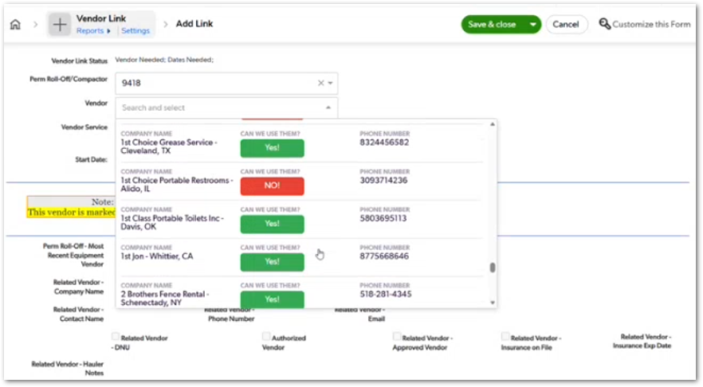 | The screenshot shows the Vendor Link form for a Perm Roll-Off/Compactor record. This story should focus on setting up multiple vendor relationships for the same permanent service. Vendor links are important because Permanent Roll-Offs may use separate vendors for disposal, rental, installation, maintenance, or monitor-related services. | TBD
CUBE-PH4-D3-032 | Permanent Roll-Offs | Integration | Core Flow | Item Receipts | Associate Permanent Roll-Off Tickets and Line Items to the Correct Vendor Role | As an Account Manager (AM), I want Permanent Roll-Off tickets and line items to be associated with the correct vendor role, so that item receipts can be created for the appropriate vendor. | Permanent Roll-Offs can include different charge types, such as setup, rental, haul, monitor rental, dry run, relocation, contamination, and other rates. Each charge should be associated with the correct vendor role so item receipts can be generated for the vendor responsible for that service. | System identifies the vendor role related to each Permanent Roll-Off charge, 2. System supports setup charges tied to the installation or setup vendor, 3. System supports rental or monitor rental charges tied to the appropriate rental vendor, 4. System supports haul charges tied to the waste disposal vendor, 5. System supports item receipt creation when the correct vendor relationship is available. | Day 3, Part 1 [1:21:40 – 1:25:45] | 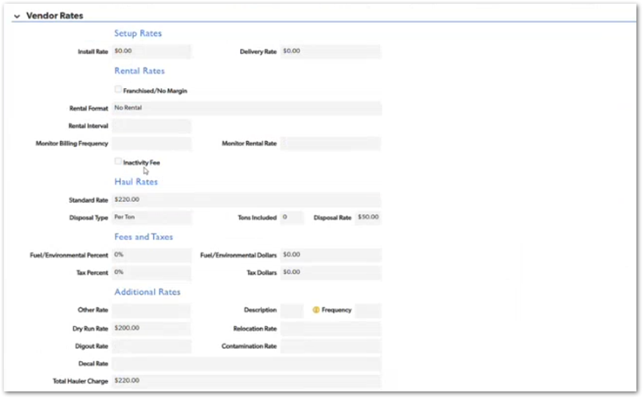 | The screenshot shows Permanent Roll-Off vendor rates grouped by setup, rental, haul, fees/taxes, and additional rates. This story should stay focused on connecting each charge type to the correct vendor role so the item receipt process can identify who should be paid. | TBD
CUBE-PH4-D3-033 | Core Platform | Data Model | Core Flow | Product Master | Define Product Master Tables for Product Lines, Product Types, Ticket Codes, and Product Codes | As an Account Manager (AM), I want product lines, product types, ticket codes, and product codes to be defined in the product master structure, so that products, tickets, and line items can use the correct business logic. | The product master structure defines how product lines, product types, ticket codes, and product codes relate to each other. Product lines identify the main product categories, product types identify the specific products, ticket codes define applicable service ticket types, and product codes support line item combinations. | 1. System stores product line records for the main product categories, 2. System stores product type records under the applicable product line, 3. System stores ticket code records for applicable service ticket types, 4. System stores product code records used for line item combinations, 5. Product master relationships support product, ticket, and line item logic. | Day 3, Part 1 [1:41:40 – 1:48:10] |  | The diagram shows the product master relationship between Products, Product Types, Ticket Codes, and Product Codes. This should stay as the high-level data model story. More detailed stories can cover product code construction, line item satisfaction, and Intacct/Avalara billing behavior separately. | TBD
CUBE-PH4-D3-034 | Core Platform | Data Model | Core Flow | Product Code Redesign | Preserve Required Intacct Product Code Concepts During CUBE Redesign | As an Account Manager (AM), I want CUBE to preserve the required Intacct product code logic during any product master redesign, so that billing can continue using the correct product code, product line, and tax code information. | CUBE may redesign the current product master structure, but the final billing outputs still need to remain compatible with Intacct. Any redesign must preserve the logic needed to generate or identify the correct product code, product line, and tax code for line items. | 1. System preserves the ability to generate or identify the required Intacct product code, 2. System preserves the product line information required for billing, 3. System preserves the tax code information required for billing and tax processing, 4. Product master redesign does not break line item billing outputs, 5. Existing working logic can be replicated if a full redesign is not feasible for MVP. | Day 3, Part 1 [1:48:14 – 1:50:36] |  | The full diagram shows that product master data eventually feeds Product Tickets and Line Items. The database structure can be improved in CUBE, but the billing outputs still need to match what Intacct requires. This should be treated as a redesign guardrail, not as a requirement to copy the current QuickBase structure exactly. | TBD
CUBE-PH4-D3-035 | Core Platform | Functional Logic | Core Flow | Service Ticket Buttons | Create Service Tickets from Product-Level Buttons with Predefined Ticket Codes | As an Account Manager (AM), I want product-level service ticket buttons to create the correct service ticket type, so that delivery, rental, removal, and other service tickets are generated with the appropriate predefined ticket code. | Product-level service ticket buttons are configured to create specific ticket types. When a user selects a button, the ticket opens with the predefined ticket code and relevant product information copied from the parent product record. | 1. System opens a new service ticket from the selected product-level button, 2. System applies the predefined ticket code associated with the selected button, 3. System copies relevant product information into the new service ticket, 4. Delivery buttons create delivery ticket records where applicable, 5. Rental and removal buttons create the corresponding ticket records where applicable. | Day 3, Part 1 [1:50:36 – 1:54:40] | NO MOCKUPS | This story should focus on how product-level buttons create the correct service ticket type. The ticket code is already predefined by the button, and the new ticket receives copied product information from the parent product record. | TBD
CUBE-PH4-D3-036 | Core Platform | UI/UX | Core Flow | Product Type Filtering | Filter Product Type Options by Product Line and Category | As an Account Manager (AM), I want product type options to be filtered by product line and category, so that I can select only the product types that are relevant to the current product setup. | Product type options are filtered based on the selected product line and category. For example, when the toilet category is set to Event, the Product Type dropdown should show only event-related toilet product types. | 1. System filters product type options based on the selected product line, 2. System filters product type options based on the selected category when category metadata applies, 3. System shows event-related toilet product types when the category is Event, 4. System hides unrelated product types from the dropdown, 5. System allows the user to select only product types that match the current product setup. | Day 3, Part 1 [1:54:40 – 1:57:20] | 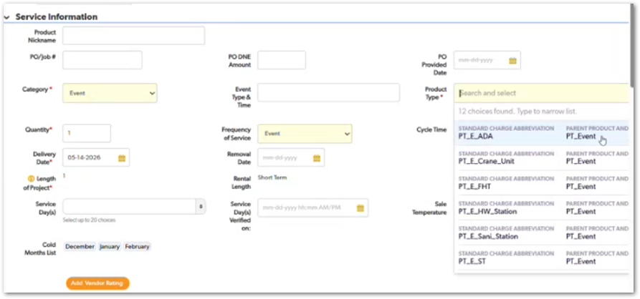 | The screenshot shows the Product Type dropdown filtered after Category is set to Event. This story should focus on dropdown filtering and selection accuracy. The filtering helps prevent users from selecting product types that do not match the selected product line or category. | TBD
CUBE-PH4-D3-037 | Core Platform | Workflow Validation | Core Flow | Line Item Availability | Enable Line Item Creation Only When Required Conditions Are Met | As an Account Manager (AM), I want line item creation buttons to appear only when the required conditions are met, so that line items are created only when they are applicable, valid, and ready for billing. | Line item creation depends on several ticket and billing conditions. The system should make a line item button available only when the required rates, billing preference, ticket code, product code, and line item status conditions are satisfied. | 1. System checks that the required rates are available, 2. System checks that the billing preference is valid and portal ready, 3. System validates the applicable ticket code and product code logic, 4. System checks whether the required line item already exists, 5. System displays only the line item buttons that are applicable to the current ticket context. | Day 3, Part 1 [1:57:20 – 2:03:20] | NO MOCKUPS | This story should focus on button availability and validation before line item creation. The button should not appear just because the ticket exists; the required billing, product code, and line item conditions must also be satisfied. | TBD
CUBE-PH4-D3-038 | Core Platform | Functional Logic | Core Flow | Line Item Creation | Open New Line Items with Inserted Values Without Auto-Saving | As an Account Manager (AM), I want line item buttons to open a new line item with prefilled values without automatically saving it, so that I can review the generated billing details before creating the record. | Line item buttons open a new line item in add/edit mode and insert relevant values from the ticket, product, customer, site, vendor, and billing preference. The record should remain unsaved until the user reviews the information and saves it manually. | 1. System opens a new line item in add/edit mode after the user clicks the line item button, 2. System prepopulates customer, site, ticket, vendor, and product code information where applicable, 3. System prepopulates billing information such as billing preference, billing company, billing email, billing address, and payment details where available, 4. System does not automatically save the new line item, 5. User can review the inserted values before saving the record. | Day 3, Part 1 [2:05:09 – 2:07:10] | 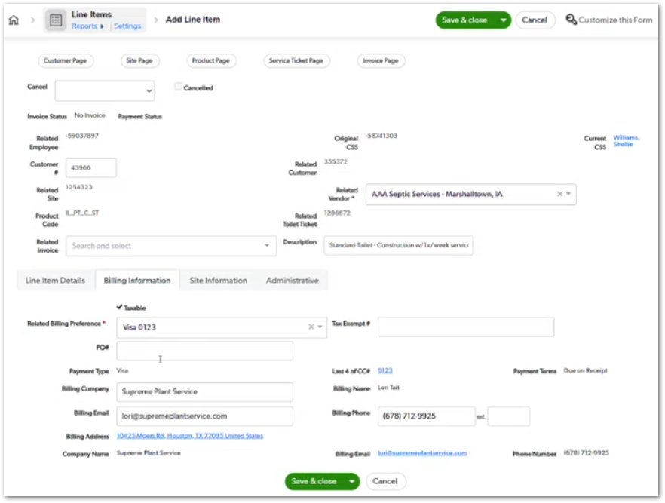 | The screenshot shows the Add Line Item page with multiple values already inserted, including product code, related vendor, related ticket, billing preference, billing company, billing email, and payment details. This story should focus on review-before-save behavior, not on button availability. | TBD
CUBE-PH4-D3-039 | Core Platform | Integration | Core Flow | Intacct Product Codes | Generate Related Product Code for Intacct and Tax Processing | As an Account Manager (AM), I want line items to generate the correct related product code, so that billing and tax processing can use the required Intacct product code information. | Line items use product, product type, service type, state, and other required values to generate or identify the related product code. The product code is then used to support Intacct billing and tax processing. | 1. System generates or identifies the related product code for the line item, 2. System uses product, product type, service type, and state information where applicable, 3. System displays the product code on the line item record, 4. System uses the product code to support Intacct billing requirements, 5. System uses the related product code information to support tax code processing. | Day 3, Part 1 [2:07:10 – 2:12:00] | 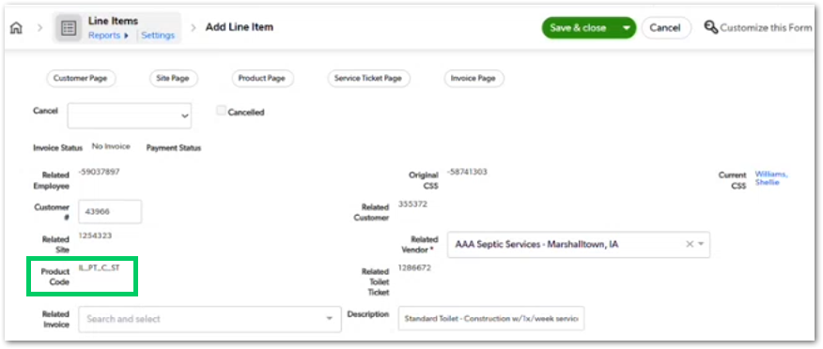 | The screenshot shows the Product Code field populated on the Add Line Item page. This story should focus on how the line item receives the correct product code for Intacct and tax processing, not on the general prefilled values behavior covered in the previous story. | TBD
CUBE-PH4-D3-040 | Core Platform | Workflow Validation | Core Flow | Required Line Items | Validate Required Core Product Line Items for Tickets | As an Account Manager (AM), I want tickets to validate whether the required core product line item exists, so that a ticket is not considered complete when only optional or non-core line items have been added. | Tickets may require a core product line item to satisfy the standard charge requirement. Optional line items, such as winterization, insurance, or miscellaneous charges, should not satisfy the main required charge unless the required core product line item also exists. | 1. System identifies the required core product line item for the ticket, 2. System checks whether the required core product line item exists, 3. System does not treat insurance, winterization, or miscellaneous line items as the required core product line item, 4. System keeps the ticket incomplete when the required core product line item is missing, 5. System updates the standard charge status based on required line item completion. | Day 3, Part 1 [2:12:00 – 2:18:30] | NO MOCKUPS | This story should focus on ticket completion and line item satisfaction. Optional line items can exist on the ticket, but they should not satisfy the required standard charge unless the core product line item is also present. | TBD
CUBE-PH4-D3-041 | Core Platform | Functional Logic | Core Flow | Invoicing Requirements | Determine When Line Item Invoicing Is Required | As an Account Manager (AM), I want tickets to determine when line item invoicing is required, so that billing requirements are evaluated correctly before invoicing. | Line item invoicing requirements are determined from ticket status, cancellation status, product-specific rules, and required line item logic. The system should identify whether a ticket still needs invoicing action before it can be considered complete from a billing perspective. | 1. System evaluates whether line items are required for the ticket, 2. System evaluates whether the ticket has been canceled, 3. System applies product-specific invoicing requirement rules, 4. System supports special invoicing requirements such as California and Indiana additional rental handling, 5. System uses the resulting status to determine whether invoicing action is still required. | Day 3, Part 1 [2:18:30 – 2:24:40] | NO MOCKUPS | This story should focus on billing status and invoicing readiness. It should stay separate from the required core line item story because a ticket may have line item requirements, cancellation rules, product-specific billing rules, and state-specific exceptions that all affect whether invoicing is still required. | TBD
CUBE-PH4-D3-042 | Core Platform | Integration | Core Flow | Item Receipt Process | Create Item Receipt Inputs When Vendor Payment Is Ready | As an Account Manager (AM), I want service tickets to provide the required vendor payment information when vendor payment is ready, so that item receipt inputs can be created for the appropriate vendor. | Item receipt processing depends on vendor payment information captured on the service ticket. When the ticket is ready for vendor payment, the process should use the required vendor payment fields, payment method, total hauler charge, and related PO information to support item receipt creation. | 1. System identifies when a service ticket is ready for vendor payment, 2. System captures the total hauler charge required for vendor payment, 3. System captures the vendor payment method where available, 4. System captures the related PO number where available, 5. System supports item receipt creation when the required vendor payment information is available. | Day 3, Part 1 [2:24:40 – 2:27:30] | 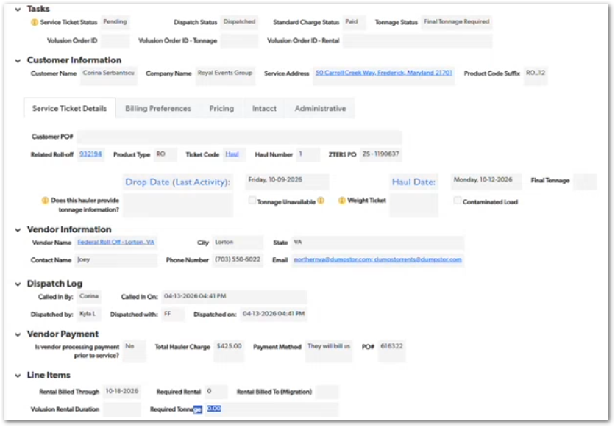 | The screenshot shows the Vendor Payment section on a service ticket, including total hauler charge, payment method, and PO number. This story should focus on the ticket-level inputs needed for item receipt processing, not on vendor role setup. | TBD
CUBE-PH4-D3-043 | Core Platform | Workflow Validation | Core Flow | Opt-Outs and Cancellation | Apply Opt-Out and Cancellation Logic Across Customer, Site, and Product Levels | As an Account Manager (AM), I want opt-out and cancellation logic to apply across customer, site, and product levels, so that billing, ticket creation, and cancellation behavior are controlled consistently. | Opt-out logic can apply at the customer, site, and product levels. Cancellation logic must also prevent users from canceling records incorrectly when related line items or billing activity still need to be handled first. | System supports opt-outs at the customer level, 2. System supports opt-outs at the site level, 3. System supports opt-outs at the product level, 4. System prevents ticket cancellation when active non-canceled line items exist, 5. System requires line item cancellation or credit handling before the related ticket can be canceled. | Day 3, Part 1 [2:27:30 – 2:30:20] | NO MOCKUPS | This story should cover both opt-out inheritance and cancellation guardrails. Opt-outs help prevent records from continuing through automated creation or billing when they should be excluded. Cancellation should work backward, meaning line items or credits must be handled before the parent ticket can be canceled. | TBD
CUBE-PH4-D3-044 | Roll-Offs | Functional Logic | Core Flow | Tonnage Status | Calculate Roll-Off Additional Tonnage Requirements After Final Tonnage Is Entered | As an Account Manager (AM), I want roll-off tickets to calculate additional tonnage requirements after final tonnage is entered, so that extra tonnage charges can be identified when the included tons are exceeded. | Roll-off tickets require final tonnage after the haul is completed. The system compares the final tonnage against the included tons and calculates any required additional tonnage so the correct tonnage line item can be created when needed. | System captures final tonnage after the roll-off haul is completed, 2. System compares final tonnage against the included tons, 3. System calculates required additional tonnage when final tonnage exceeds the included tons, 4. System identifies when a tonnage line item is required, 5. System allows the ticket to proceed when tonnage is marked unavailable. | Day 3, Part 1 [2:30:20 – 2:34:30] | NO MOCKUPS | This story should focus on roll-off tonnage status after the haul occurs. Final tonnage is needed to determine whether additional tonnage charges apply. If the vendor does not provide tonnage, the ticket can still move forward by marking tonnage as unavailable. | TBD
CUBE-PH4-D3-045 | Grease Traps | Workflow Validation | Core Flow | Grease Trap Verification | Track Grease Trap Verification and Manifest Fields | As an Account Manager (AM), I want grease trap tickets to include verification and manifest tracking fields, so that completed grease trap services can be reviewed and confirmed after the service. | Grease trap tickets include manual tracking fields used to verify completed service activity. These fields help users confirm whether the grease trap service was reviewed after completion and whether a required manifest was received. | 1. System supports grease trap verification fields on grease trap tickets, 2. System supports manifest received tracking where a manifest is required, 3. System allows users to mark completed verification steps, 4. System keeps grease trap verification fields specific to grease trap tickets, 5. System supports operational follow-up without triggering additional billing or automation logic. | Day 3, Part 1 [2:34:30 – 2:37:20] | NO MOCKUPS | This story should focus on manual post-service verification for grease trap tickets. The verification and manifest fields are used for operational tracking after the service is completed, not for calculating the service date or creating the ticket. | TBD
CUBE-PH4-D3-046 | Core Platform | Data Model | Core Flow | Product Master Tables | Maintain Product Line, Product Type, Ticket Code, and Product Code Definitions | As an Account Manager (AM), I want product master tables to maintain product line, product type, ticket code, and product code definitions, so that CUBE can determine which products, tickets, and line items are valid throughout the core flow. | Product master tables maintain the definitions used to support product setup, ticket creation, line item validation, and billing logic. These tables include product lines, product types, ticket codes, and product codes used to determine valid combinations throughout the flow. | System maintains product line records with product line codes, 2. System maintains product type records with granular product information, 3. System maintains ticket code records with applicable and required line item metadata, 4. System maintains product code records used for line item and billing logic, 5. Product master definitions support filtering, validation, and billing behavior throughout the core flow. | Day 3, Part 1 [2:37:20 – 2:47:50] | NO MOCKUPS | This story should stay only if it is positioned as a master data maintenance story. D3-033 already covers the high-level product master structure, so this one should focus on maintaining the definitions and metadata that drive product setup, ticket validation, line item logic, and billing behavior. | TBD
CUBE-PH4-D3-047 | Core Platform | Data Model | Core Flow | Product Code Construction | Build Product Code Combinations from Product, Ticket, Debris, and State Values | As an Account Manager (AM), I want product code combinations to be built from product, ticket, debris, state, and related values, so that CUBE can generate the correct product code for line items and billing. | Product code combinations are built by combining multiple values from the product and ticket flow. These values may include product abbreviation, product type, ticket code, debris or descriptor values, and state information used to match the required billing code structure. | 1. System uses product abbreviation in product code construction, 2. System uses ticket code in product code construction, 3. System uses debris or descriptor values when applicable, 4. System uses state information for state-specific product code combinations, 5. System builds product code combinations that support line item and billing requirements. | Day 3, Part 1 [2:47:50 – 3:00:20] | NO MOCKUPS | This story should focus on the construction logic behind product codes. Product code values are not based on a single field; they are assembled from multiple product, ticket, location, and descriptor values. Keep this separate from the Intacct story, which focuses on the final billing output. | TBD
CUBE-PH4-D3-048 | Core Platform | Integration | Core Flow | Hub Billing Flow | Send Product Code, Tax Code, and Product Line to Hub for Invoicing | As an Account Manager (AM), I want line item billing data to be sent to Hub with product code, tax code, product line, and relevant billing information, so that Hub can create the invoice and send the result to Intacct. | Line item billing data is sent to Hub for invoice processing. The data sent to Hub should include the product code, tax code, product line, and other relevant billing details required to create the invoice and support the downstream Intacct process. | 1. System sends line item billing data to Hub, 2. System includes the product code in the data sent to Hub, 3. System includes the tax code in the data sent to Hub, 4. System includes the product line in the data sent to Hub, 5. Hub uses the received line item data to support invoice creation and Intacct processing. | Day 3, Part 1 [3:00:20 – 3:05:10] | NO MOCKUPS | This story should focus on the handoff from CUBE/QuickBase line items to Hub for billing. Product code construction and Intacct code logic are covered in separate stories; this one is specifically about sending the required billing data to Hub so invoicing can continue downstream. | TBD
CUBE-PH4-D3-049 | Core Platform | Data Model | Core Flow | Field Relationship Mapping | Map Product Master Fields Through Products, Tickets, Product Codes, and Line Items | As an Account Manager (AM), I want key product master fields to flow through products, tickets, product codes, and line items, so that filtering, validation, line item satisfaction, and billing logic can work correctly. | Product master fields are passed through the core flow using lookups, summaries, predefined ticket codes, formula-generated product codes, and values injected by create buttons. These relationships help determine which product types, tickets, and line items are valid at each step. | 1. System maps product master fields into product records, 2. System maps ticket code fields into product tickets, 3. System summarizes line item information back to the related ticket where needed, 4. System passes required product code information into line items, 5. Field relationships support filtering, validation, line item satisfaction, and billing logic. | Day 3, Part 1 [3:05:10 – 3:11:33] | 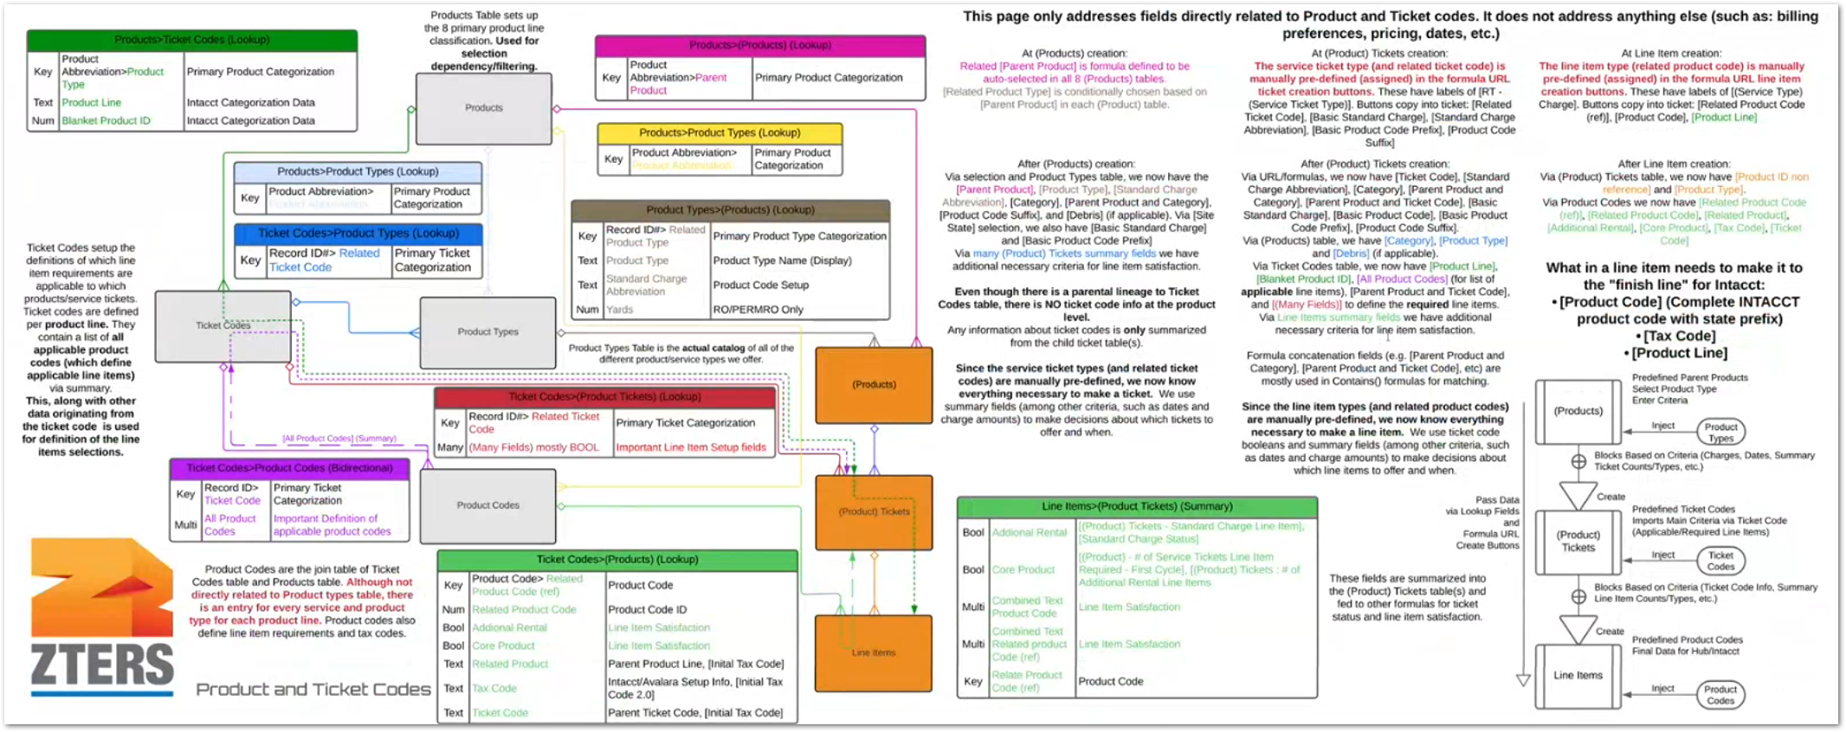 | The diagram shows how product master data flows from Products, Product Types, Ticket Codes, and Product Codes into Product Tickets and Line Items. This story should focus on field movement and relationship mapping across the flow, not on defining the product master tables themselves. | TBD
CUBE-PH4-D3-050 | Core Platform | Data Model | Core Flow | Product Code Management | Modify Product Codes Only When Product or Service Definitions Change | As an Account Manager (AM), I want product codes and ticket definitions to be modified only when a new product, service, product type, or billing distinction is added, so that the product master setup remains stable unless a fundamental change is required. | Product code and ticket definition changes should be limited to fundamental product or billing changes. New product codes may be needed when a new product, service, product type, or line-item-level billing distinction is introduced. | 1. System allows product code updates when a new product or service is added, 2. System allows product code updates when a new product type is added, 3. System supports new product codes for billing distinctions such as winterization or insurance, 4. Ticket type definitions remain unchanged unless the service definition requires a change, 5. Product code setup remains stable when no fundamental product or billing change exists. | Day 3, Part 2 [0:25 – 1:15] | NO MOCKUPS | This is mainly a product master maintenance rule. Ticket types rarely change, while product codes are added when new line-item-level distinctions are needed. This helps avoid unnecessary changes to a complex product code structure. | TBD
CUBE-PH4-D3-051 | Core Platform | Data Model | Core Flow | Line Item Satisfaction | Summarize Line Item Status Back to Product Tickets | As an Account Manager (AM), I want line item information to summarize back to the product ticket, so that the ticket can determine whether required line items, core product line items, and additional rental requirements are satisfied. | Line item information is summarized back to the related product ticket to support ticket status, line item satisfaction, and operational guardrails. These summaries help determine whether the ticket has the required core product line item, whether additional rental requirements apply, and whether required line item conditions are complete. | 1. System summarizes core product line item status back to the related product ticket, 2. System summarizes additional rental line item status where applicable, 3. System identifies whether required line items are missing, 4. System uses summarized line item information to update ticket status, 5. System supports ticket-level validation based on line item completion. | Day 3, Part 2 [2:50 – 5:35] | NO MOCKUPS | Important for ticket statuses and operational dashboards. This supports whether a ticket is ready, incomplete, or still missing required billing actions. It should stay focused on the summary relationship between line items and product tickets, not on the creation of the line items themselves. | TBD
CUBE-PH4-D3-052 | Core Platform | Workflow Validation | Core Flow | Service Ticket Availability | Control Service Ticket Button Availability Using Product Criteria and Existing Tickets | As an Account Manager (AM), I want service ticket buttons to appear only when the product criteria and existing ticket conditions allow them, so that users can create only valid service tickets. | Service ticket button availability depends on product-level criteria and existing ticket activity. The system should evaluate dates, charges, existing ticket counts, ticket types, and required prior actions before allowing users to create a new service ticket. | 1. System evaluates required product dates before allowing ticket creation, 2. System evaluates required charges before allowing ticket creation, 3. System checks existing ticket counts and ticket types, 4. System blocks ticket creation when required prior ticket activity is incomplete, 5. System displays only service ticket buttons that are valid for the current product context. | Day 3, Part 2 [7:50 – 12:20] | NO MOCKUPS | Ticket codes may be predefined in the buttons, but button visibility depends on additional product and operational criteria outside the product master relationship. This story should focus on the guardrails that decide whether a ticket button is available. | TBD
CUBE-PH4-D3-053 | Core Platform | Workflow Validation | Core Flow | Line Item Automation Decision | Keep Standard Line Item Creation Reviewable Before Invoice Creation | As an Account Manager (AM), I want standard line item creation to remain reviewable before invoice creation, so that amounts, taxes, and billing details can be checked before the actual invoice is created. | Standard line items may be eligible for automation in some cases, but users still need a review point before invoice creation. The current process allows line item amounts to be checked, and the draft invoice also provides another review point for taxes, state, and final invoice details. | 1. System allows users to review standard line items before invoice creation, 2. System allows users to verify line item amounts before invoicing, 3. System supports draft invoice review after line item creation, 4. Draft invoice review includes tax, state, and billing amount validation, 5. Full automation of standard line item creation requires stakeholder confirmation before implementation. | Day 3, Part 2 [12:26 – 15:10] | NO MOCKUPS | Do not treat full automation as a confirmed requirement. Some standard line items may be possible to automate, but review checkpoints are still important because users currently check both the line item and the draft invoice before the final invoice is created. | TBD
CUBE-PH4-D3-054 | Core Platform | Reporting | Core Flow | Operational Dashboard Tasks | Display Missing Billing and Line Item Tasks on Operational Dashboards | As an Account Manager (AM), I want operational dashboards to show missing line items, billing-required items, tonnage-required items, unpaid items, and related pending tasks, so that I can identify the work that still needs to be completed. | Operational dashboards should summarize pending work based on ticket and billing statuses. Instead of sending individual notifications for each missing line item or billing task, the dashboard should show grouped counts and reports that help users find records requiring action. | 1. System displays records with missing required line items on operational dashboards, 2. System displays billing-required records on operational dashboards, 3. System displays tonnage-required roll-off records where applicable, 4. System displays billed but unpaid records for follow-up, 5. System groups pending work through statuses, reports, or summary counts. | Day 3, Part 2 [15:13 – 18:45] | NO MOCKUPS | This should be handled through dashboard reporting, not individual bell notifications or emails. The dashboard is the operational place where users identify what still needs line items, billing, tonnage completion, payment follow-up, or other pending action. | TBD
CUBE-PH4-D3-055 | Core Platform | Integration | Core Flow | Line Item Webhooks | Restrict Line Item Webhook Updates to Creation, Cancellation, Credit Approval, and Recurring Billing Process Changes | As an Account Manager (AM), I want line item webhook updates to be limited to approved update events, so that Hub/MySQL receives controlled changes for creation, cancellation, credit approval, and recurring billing processing. | Line items are sent to Hub/MySQL when they are created, but general edits should not trigger unrestricted webhook updates. Only specific events should update Hub/MySQL, including cancellation, credit line item approval, and recurring bill process changes. | 1. System sends line item data to Hub when the line item is created, 2. System sends a webhook update when a line item is canceled, 3. System sends a webhook update when a credit line item is approved, 4. System sends a webhook update when the recurring bill process field changes, 5. System does not send unrestricted webhook updates for general line item edits. | Day 3, Part 2 [43:50 – 48:35] | NO MOCKUPS | Line items are intentionally locked down after creation. If users make a mistake, the expected process is to cancel the line item and recreate it. General edits should not trigger broad webhook updates because Hub/MySQL should only receive controlled line item changes. | TBD

